MENU


 | T.S. CONTAINER LINES HA NOI COMPANY LIMITED

 | ROOM 520, 5TH FLOOR, TD PLAZA BUSINESS CENTRE,
 | LOT 20, LE HONG PHONG STR., HAI PHONG CITY, VIET NAM
 | TEL: 02253.686.985 FAX: 0225.3652557
 | Email: sales.tslhph@tslines.com.vn
 | Website: Http:w.tslines.com/en/

 |  | UPDATE: | 2026-07-28

 |  | Instruction (Hướng dẫn)
 |  | GENERAL INFORMATION

Please kindly choose the final destination as below tables: | GENERAL INFORMATION

(Vui lòng lựa chọn cảng đích theo bảng sau) | Click to submit BOOKING / SI / VGM
 | ( If you do not have the account on our TSL website, please kindly provide your company's information to issue red-invoice and create ebooking account to email: cus.tslhph@tslines.com.vn and CC our sales PIC )

HAI PHONG - JAPAN
HAI PHONG - HONGKONG | Click to check ATD Haiphong
HAI PHONG - CHINA
HAI PHONG - TAIWAN | Click to check your shipment movement
HAI PHONG - PHILIPPINE
HAI PHONG - MALAYSIA | Click to check tariff freetime in POD
HAI PHONG - THAILAND
HAI PHONG - INDIA - PAKISTAN | Click to check free time extension in POD after vessel departs Haiphong 12hours
HAI PHONG - AUSTRALIA
HAI PHONG - US | Click to check Vessel Flag, Call Sign, IMO…
HAI PHONG - EAST AFRICA SERVICE | TSL's code for AFR filing is 13DF
HAI PHONG - MEXICO SERVICE
HAI PHONG - SINGAPORE SERVICE | Click to check telex release status
HAI PHONG - RED SEA SERVICE

GENERAL SERVICES

JTK3SG - ETD MON:
HAIPHONG - HONGKONG - SHEKOU - OSAKA - KOBE

JTK2SG - ETD WED:
HAIPHONG - NANSHA - HONGKONG - SHEKOU - TOKYO - YOKOHAMA - NAGOYA

NV2SG - ETD TUE:
HAIPHONG - QINZHOU - HONGKONG - NINGBO - SHANGHAI

LOCAL CHARGES
 | T.S. CONTAINER LINES HA NOI COMPANY LIMITED Address: Room 520 TD Plaza Business Centre, Lot 20, Le Hong Phong Str, Hai Phong City, Viet Nam Tel: 02253.686.985 Fax: 0225.3652557 E-mail: sales.tslhph@tslines.com.vn Website: Http:w.tslines.com/EN/

BACK TO MENU
TARIFF OF OUTBOUND LOCAL CHARGES

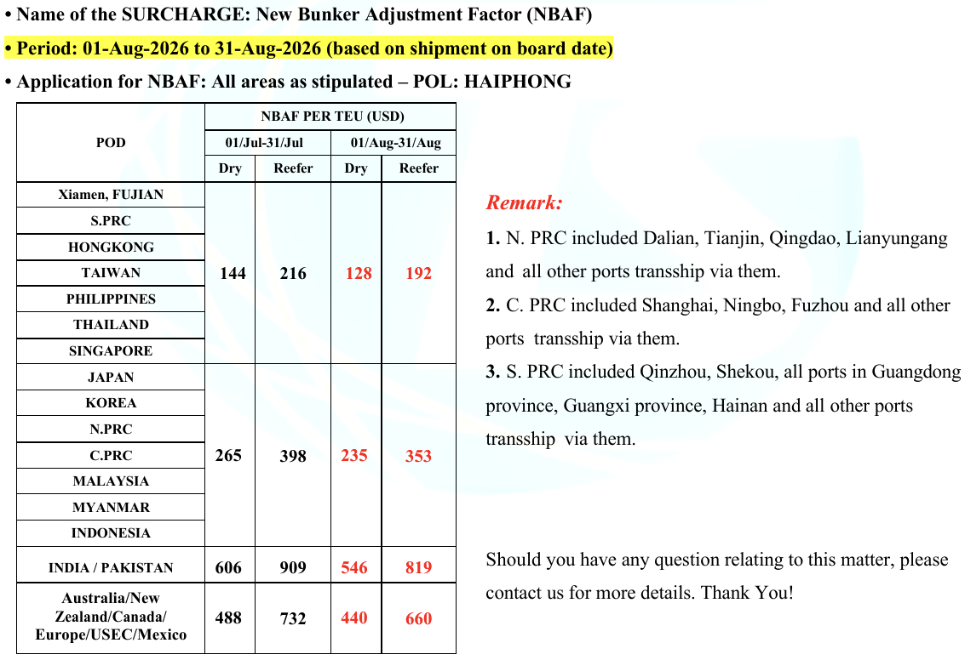
 | Currency | (excluded VAT) |  | W.E.F
DOC FEE (per SET) | VND | 1,000,000 |  | Feb 01, 2025
TLX FEE (per SET) | VND | 627,000
SEAL FEE (per UNIT) | VND | 199,500
AFR FEE (per SET) - JAPAN | VND | 627,000
AMS FEE (per SET) - CHINA | VND | 627,000
AMS FEE (per SET) - US | USD | 30
ACI FEE (per SET) - CANADA | USD | 45 |  | Oct 01, 2021

ITEM | Currency | (excluded VAT per cont) |  | W.E.F
 |  | 20' | 40'
THC-GP/TK | VND | 3,372,500 | 5,130,000 | 15/FEB/2024 (POL ETD)
THC-RF | VND | 4,322,500 | 6,745,000
THC-FR/OT | VND | 4,750,000 | 7,315,000
THC DG-Dry | VND | 4,322,500 | 6,745,000
THC DG-Reefer | VND | 4,750,000 | 7,315,000

OUTBOUND DEM DET CHARGE
ITEM | Currency | (excluded VAT) |  | W.E.F
 |  | 20' | 40'
DEM (dry) 07 days free time |  |  |  | Jun 01, 2020
DEM (dry) 08th~15th day | VND | 450,000 | 900,000 | Jun 01, 2020
DEM (dry) 16th~ | VND | 550,000 | 1,100,000 | Jun 01, 2020

DET (dry) 5 days free time |  |  |  | Jun 01, 2020
DET (dry) 6th~10th day | VND | 520,000 | 1,040,000 | Jun 01, 2020
DET (dry) 11th~ | VND | 620,000 | 1,240,000 | Jun 01, 2020

DEM (reefer & special) 5 days free time
DEM (reefer & special) 6th~9th day | VND | 1,045,000 | 1,672,000 | Jun 01, 2020
DEM (reefer & special) 10th day~ | VND | 1,672,000 | 2,194,500 | Jun 01, 2020

DET (reefer & special) 5 days free time |  |  |  | Jun 01, 2020
DET (reefer & special) 6th~9th day | VND | 1,045,000 | 1,672,000 | Jun 01, 2020
DET (reefer & special) 10th day~ | VND | 1,672,000 | 2,194,500 | Jun 01, 2020

OUTBOUND STORAGE CHARGE
ITEM | Currency | (excluded VAT) |  | W.E.F
 |  | 20' | 40'
Storage (dry) 10 days free |  |  |  | Jun 01,2020
Storage (dry) 11th~ | VND | 80,000 | 160,000 | Jun 01,2020

Storage (reefer) 5 days free |  |  |  | Jun 01,2020
Storage (reefer) 6th~ | VND | 80,000 | 160,000 | Jun 01,2020

Storage (DG & special) 5 days free |  |  |  | Jun 01,2020
Storage (DG & special) 6th~9th | VND | 130,000 | 260,000 | Jun 01,2020
Storage (DG & special) 10th~ | VND | 260,000 | 520,000 | Jun 01,2020

OUTBOUND POWER CHARGE
ITEM | Currency | (excluded VAT) |  | W.E.F
 |  | 20' | 40'
POWER Charge 3 days free time | VND
POWER Charge 4th day~ ( for JTK3SG and NV2SG vessel - etd Mon and Tue, the power charge will be counted from the 5th day ) | VND | 907,500 | 1,705,000 | Jan 15,2019

OUTBOUND LATE PAYMENT SURCHARGE
 | Currency | (excluded VAT) per week |  | W.E.F
Late payment Surcharge (LPS) FREE 14 days | VND |  |  | Jan 15,2019
Late payment Surcharge (LPS) 1st week after freetime | VND | 500,000 |  | Jan 15,2019
Late payment Surcharge (LPS) Thereafter | VND | 1,000,000 |  | Jan 15,2019

